Sheet1
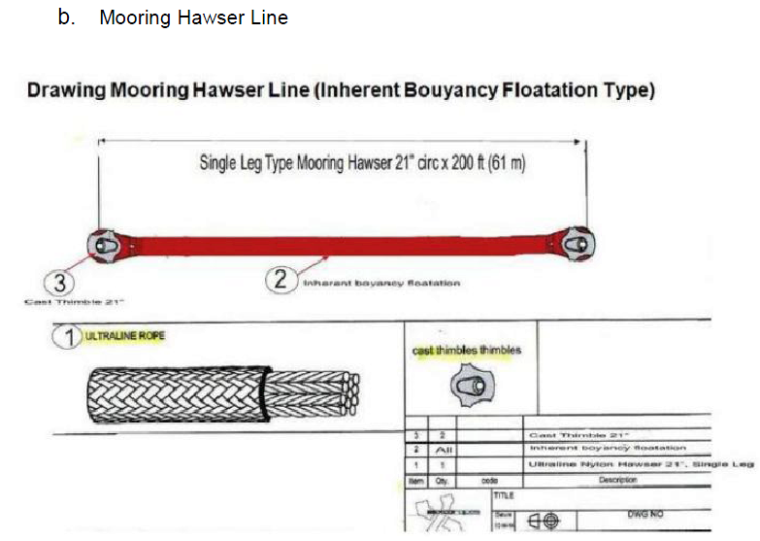
 | 郑州中海威环保科技有限公司 联系人：陈小姐 电话/微信：13393736347
 | 名称 | 中文意思 | 参数（如有符合的地方请列出） | 数量 | 价格（含税）
要求 | mooring hawser line | 停泊用海事绳 |  | 1
1 | Inherent Bouyancy Flotation Type
2 | PA6 ultraline SPM mooring hawser.
3 | Ultraline 168mm single 61m 1*200fet(61m)finished length. | 168mm*61m
4 | single leg type mooring hawser-21' CIR. | 停泊用海事绳 周长21
5 | Ultraline brand BL3 100% nylon rope supplied complete with falvanised cast steel SPM type thimbeles cw clevis plate spliced each end. - thimbles polyurthane encapsulated. | 100%尼龙，两端各一个铸钢套环，套环密封在拼接孔里
6 | rope arround thimbe protected with heavy duty delta web cloth and polyurethane coating hawser length with inherent flotation system. Thimbles polyurethene encacapsulated. Manufactured and supplied in strict accordance with the lates :" OCIMF 2000" guideline for the purchasing and testing of SPM hawser. | 套环周围的绳子要有高强力， 生产上严格按照 OCIMF2000进行生产和测试
7 | Mimimum breaking strength: 605 Ton. Manufactured by bexco ropes or other manufacturer as per attached drawing and to be inspected and certified by LLYOID register. | 最小破断拉力 605吨，生产上在LLYOID认证过
8 | certificated/documentation requied: CoC& Material Certificated Type 3.1 | 认证材料： COC材料认证CoC 3.1
备注 | 有库存还是需要生产或者定制。
 | 请提供相关的电子样本，图片，图纸，参数。
 | 产品的尺寸和重量
 | 包装及包装尺寸
 | 交货期

