20230078
MANHOLE COVERS FOR EAST PIER AND HANGAR

SL NO | DESCRIPTION | MANHOLE COVER SIZE | GRADE OF COVER | STANDARD | UNIT | HANGAR QTY | 出厂价 | DETAIL
1 | 带框铸铁井盖 MANHOLE COVER WITH FRAME -HINGED | 600x600 | B-125 | BS EN 124 | NOS | 2 |  | 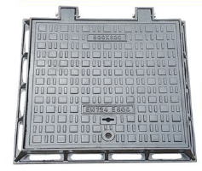
2 | 带框铸铁井盖 MANHOLE COVER WITH FRAME -HINGED | 600X600 | D-400 | BS EN 124 | NOS | 52 |  | 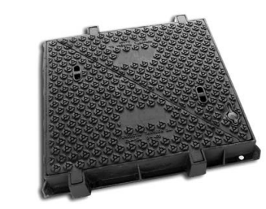
3 | 带框铸铁井盖 MANHOLE COVER WITH FRAME -HINGED | 600X600 | C-250 | BS EN 124 | NOS | 1
4 | 带框铸铁井盖 MANHOLE COVER WITH FRAME -HINGED | 600X600 | F-900 | BS EN 124 | NOS | 25
5 | 带框铸铁圆井盖 MANHOLE COVER WITH FRAME -HINGED | Ø650 | D-400 | BS EN 124 | NOS | 20 |  | 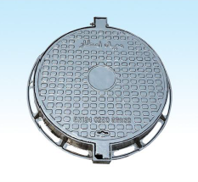
6 | 带框铸铁圆井盖 MANHOLE COVER WITH FRAME -HINGED | Ø650 | B-125 | BS EN 124 | NOS | 0
7 | 带框铸铁圆井盖 MANHOLE COVER WITH FRAME -HINGED | Ø650 | F-900 | BS EN 124 | NOS | 14
9 | 带框水篦子 CATCH BASIN GRATING WITH FRAME | 1200X600 | C-250 | BS EN 124 | NOS | 5
10 | 带框水篦子 CATCH BASIN GRATING WITH FRAME | 1200X600 | D-400 | BS EN 124 | NOS | 3
11 | 带框水篦子 CATCH BASIN GRATING WITH FRAME | 1200X600 | F-900 | BS EN 124 | NOS | 4
12 | 带框水篦子 GULLY TRAP GRATING | 550X350 | C-250 | BS EN 124 | NOS | 5
13 | 带框水篦子 U DRAIN GRATING WITH FRAME | 0.75M WIDE (CLEAR DIMENSIONS) | D-400 | BS EN 124 | MTR | 0 |  | 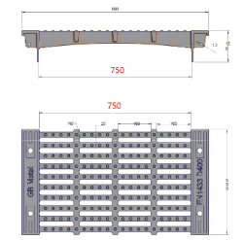
14 | 带框水篦子 U DRAIN GRATING WITH FRAME | 0.75M WIDE (CLEAR DIMENSIONS)-OPENABLE | D-400 | BS EN 124 | MTR | 0 |  | 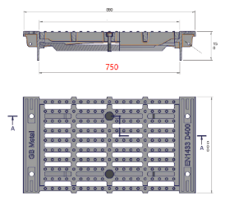
15 | 带框水篦子 U DRAIN GRATING WITH FRAME | 0.6M WIDE (CLEAR DIMENSIONS) | F-900 | BS EN 124 | MTR | 100 |  | 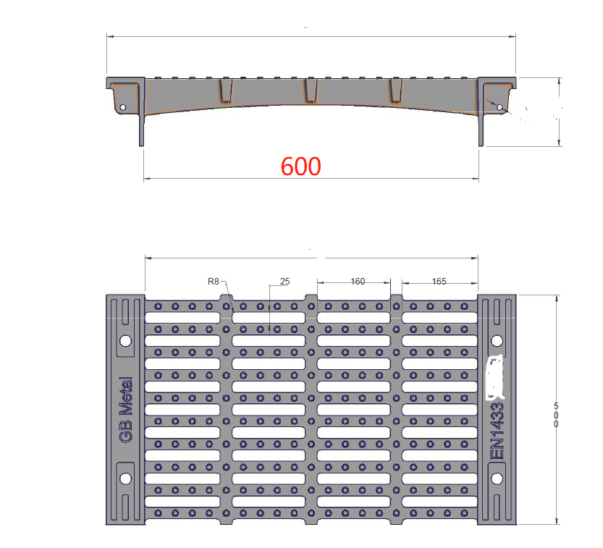
16 | 带框水篦子 U DRAIN GRATING WITH FRAME | 0.6M WIDE (CLEAR DIMENSIONS)-OPENABLE | F-900 | BS EN 124 | MTR | 100
17 | 带框水篦子 U DRAIN GRATING WITH FRAME | 0.4M WIDE (CLEAR DIMENSIONS) | F-900 | BS EN 124 | MTR | 75 |  | 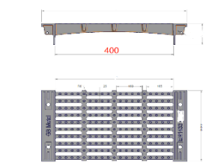
18 | 带框水篦子 U DRAIN GRATING WITH FRAME | 0.4M WIDE (CLEAR DIMENSIONS)-OPENABLE | F-900 | BS EN 124 | MTR | 75 |  | 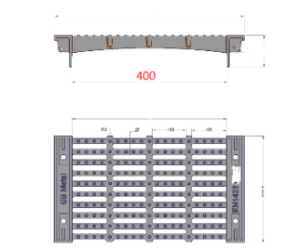
19 | 带框水篦子 U DRAIN GRATING WITH FRAME | 0.25M WIDE (CLEAR DIMENSIONS) | B-125 | BS EN 124 | MTR | 36
20 | 带框水篦子 U DRAIN GRATING WITH FRAME | 0.25M WIDE (CLEAR DIMENSIONS)-OPENABLE | B-125 | BS EN 124 | MTR | 36

