Sheet 1

 |  | Customer: | Urban UK & US
 |  | Opportunity Number: | 2229
IMAGE | SKU | DESCRIPTION OR TECHNIQUE USED | PACKAGING | MOQ | REQUESTED QUANTITIES | COST | LEAD TIME | WEIGHTS & DIMENSIONS | COMMENTS
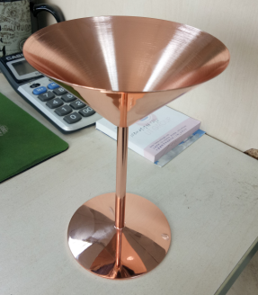 |  | H:16.8CM 口径：12CM 底径：8.1CM 124g | 一个一opp袋，4个一内盒，16个一外箱
 |  | H:21.5CM 口径：7.4CM 底径8CM 188g | 一个一opp袋，4个一内盒，16个一外箱

Sheet3
 |  | Customer: Francescas
 |  | Opportunity Number: | 1944

IMAGE | SKU | DESCRIPTION OR TECHNIQUE USED | PACKAGING | REQUESTED QUANTITIES |  | MOQ | COST | WEIGHTS & DIMENSIONS | LEAD TIME | COMMENTS
 | FC0079 | Bar Set with Gold Foil | 牛皮纸烫金+PVC+黑色吸塑 | 3664 | 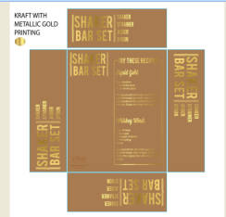

Sheet2
