行政采购
新店采购清单（标配物资）
物料名称 | 参数 | 参考照片 | 参考链接

验钞机 | 然鹏旗舰店 银灰色 |  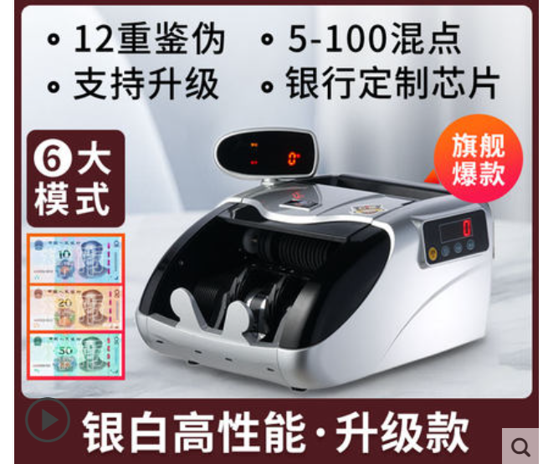 | https://detail.tmall.com/item.htm?id=36788660118&spm=a1z09.2.0.0.67002e8drabUnC&_u=do927rb0445&skuId=3762226231296
打印机 | 爱普生L3153 白色 | 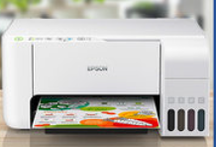 | https://detail.tmall.com/item.htm?spm=a220m.1000858.1000725.1.4f361ea4wzRZI0&id=625829639960&skuId=4893279575165&areaId=330200&user_id=2208861940064&cat_id=2&is_b=1&rn=6093906561681af4354729a87841f7c2
A4纸 |  | A4纸 | 无
手机 | Redmi Note 9 云墨灰 6GB+128GB |  | https://item.jd.com/100016773624.html
吸尘器 | 小狗无线 灰色 |  | https://detail.tmall.com/item.htm?id=637944359759&ut_sk=1.Yac6b/cv4LwDAEufGOO8m7sE_21380790_1646722295975.Copy.1&sourceType=item&price=1899&suid=52042D4F-50A8-4B8A-877B-55560777B6C0&shareUniqueId=15238950153&un=f8be7af0a9a91e8afba7b0828e520322&share_crt_v=1&un_site=0&spm=a2159r.13376460.0.0&tbSocialPopKey=shareItem&sp_tk=cHJtdjJVWmw1d08=&cpp=1&shareurl=true&short_name=h.fojkZig&bxsign=scd-UEqgluT2dcZ_GLnQ0CwZtIUv5r9m0RIk6Xt10C7gaHft3Z7KUgs_vq_31jLk1dJivGlcVw2LFcqLixYZcJ2vy4BPsx_azG80TF_l7hxXx4YqiG0aF3qyRB5fglWqFcK&tk=prmv2UZl5wO&app=chrome
挂烫机 | 城桥 灰色 |  | https://item.jd.com/67865178987.html?cu=true&utm_source=www.fanqianbb.com&utm_medium=tuiguang&utm_campaign=t_1000043395_fbt110251157&utm_term=538ab3b16f8c4d55a23837f083599188#crumb-wrap
饮水机 | 奥克斯（AUX） 推杯取水棕色下置桶 【温热型】 |  | https://item.jd.com/100013477429.html#crumb-wrap
梯子 | 奥誉 铝合金三步梯 |  | https://detail.tmall.com/item.htm?spm=a230r.1.14.26.14286100oDFDWv&id=43087550518&ns=1&abbucket=5&skuId=4320998550325
推车 | 有速 加厚90*60超静音5寸轮700斤 | 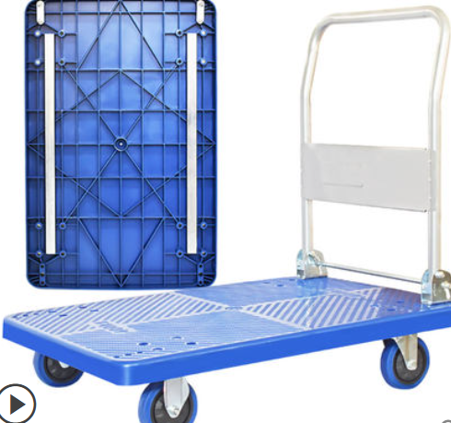 | https://detail.tmall.com/item.htm?spm=a220m.1000858.1000725.131.421e26cd4g2gBD&id=594974303433&skuId=4290971983091&areaId=330200&user_id=1712732008&cat_id=2&is_b=1&rn=da458c3ee81be6ee1b01e68083ccc8d1
裁纸机 | 德力 A4 300*250金属面板款-8014 | 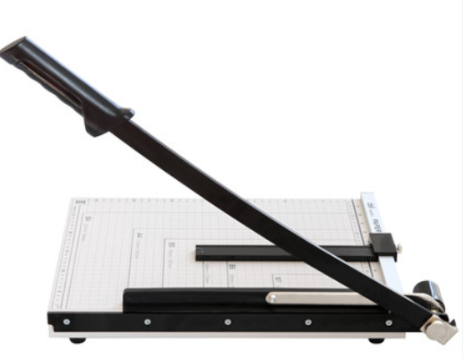 | https://detail.tmall.com/item.htm?spm=a220m.1000858.1000725.6.29893c36nZ4CHN&id=7260943782&skuId=4231688696979&areaId=330200&user_id=407910984&cat_id=2&is_b=1&rn=75bb2241e8c06d213a43b45e843a7d01
过塑机 | 得力 速度220mm/min |  | www.fanqianbb.com/mall/r.htm?t=https%3A%2F%2Funion-click.jd.com%2Fjdc%3Fe%3D%26p%3DJF8BANUJK1olVAEFUV5cDE8RM2kLH1sUWwMyEAEFVhQnWipNWhkeQxhaEQoBFxBCHD1WR0UTXgICVVhYFxJSXzI4Yg1hG14LSiU-WBNFfWlxBSVWCH9VJFJROE4XBG8AElkSVTYCVV9cCU4VAWcMKwxGGAYCVV5ZDUMfBl8IGmtDMwYDVV9cCUsXAWw4GmsVWgMFVVpbD0sTAG8AK1sdWTZyHRoeXDdHQSpcWGslbQUyZG5dOEgnXQEJSFwQVAYDVjAACUxVBT1SXzUXXAEGVltdCnsVAm4KGWs
塑封机膜过塑膜 | 得力 70厚度A4 100张/包 |  | https://item.jd.com/776702.html?cu=true&utm_source=www.fanqianbb.com&utm_medium=tuiguang&utm_campaign=t_1000043395_fbt110562945&utm_term=683c2f01f99640218799932a7358db55
白色口罩 | 50个/包 | 无 | 无
合计

