Sheet1
Number | Photo | Part Number | Quantity | Price RMB | Rate | Price USD | Total Price $
1 | 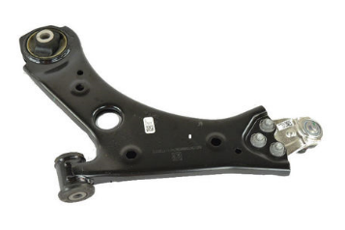 | 68247999aa | 12
2 | 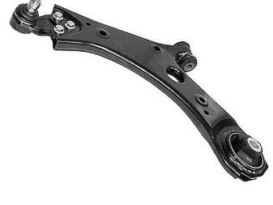 | 68248006aa | 12
3 |  | 68275052aa | 15
4 |  | 68275249aa | 15
5 | 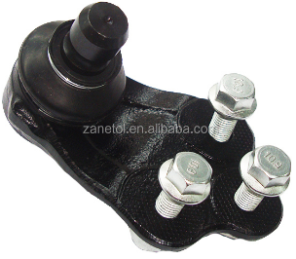 | 68246489aa | 15
6 | 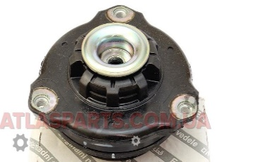 | 68304233aa | 15
7 | 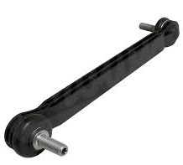 | 68246496aa | 50
8 |  | 68360299aa | 10
9 | 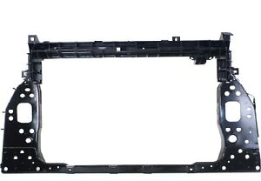 | 68287721aa | 10
10 | 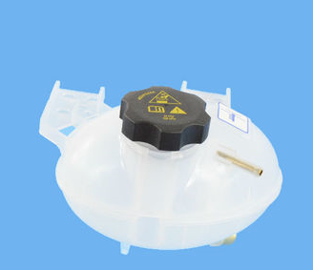 | 68327756aa | 20
11 |  | 68249136aa | 30
12 | 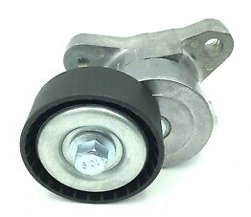 | 4627742aa | 20
13 | 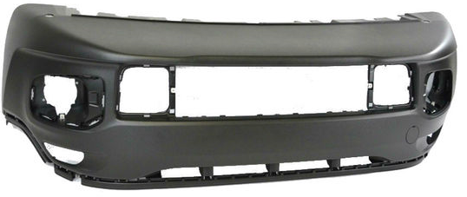 | 5xb40lxhaa | 10
14 |  | 68247402aa | 15
15 | 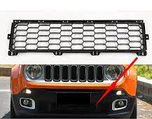 | 5xb41lxhaa | 12
16 | 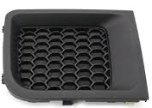 | 5xb62lxhaa | 10
17 |  | 5xb63lxhaa | 10
18 |  | 5xb28xs9aa | 10
19 |  | 5xb32xs9aa | 10
20 |  | 5ux70tzzaa | 5
21 |  | 68256471aa | 20
22 |  | 68256567aa | 10
23 |  | 68256570aa | 10
24 |  | 68256470aa | 10
Jeep Renegade Parts
25 |  | 1FU931X9AC | 35
26 |  | 5116279AB | 15
27 | 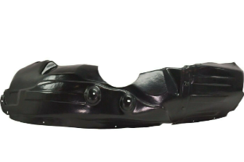 | 5116278AB | 15
28 | 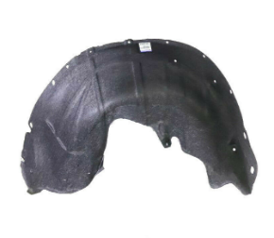 | 68369751AC | 15
29 | 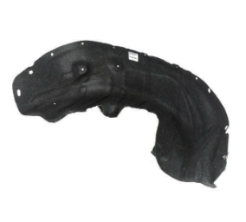 | 68369750AC | 15
30 | 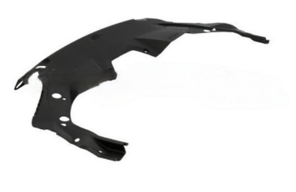 | 68286821AD | 15
31 | 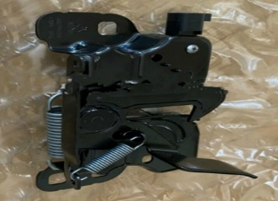 | 68249962AA | 25
32 | 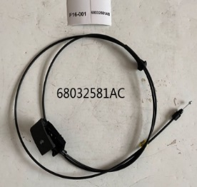 | 68032581AC | 50
33 |  | 68070493AA | 50

