Sheet1
DESCRIPTION | REF NO. | QTY | DRAWING | DIMENSION | PHOTOS | 单件重量（KG) | 货发宁波RMB含税
Tables | LS-425-B | 604 | 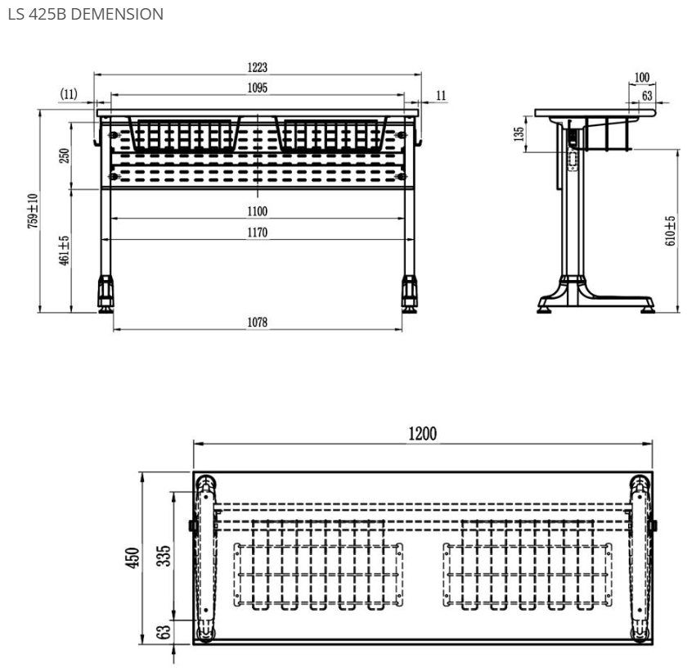 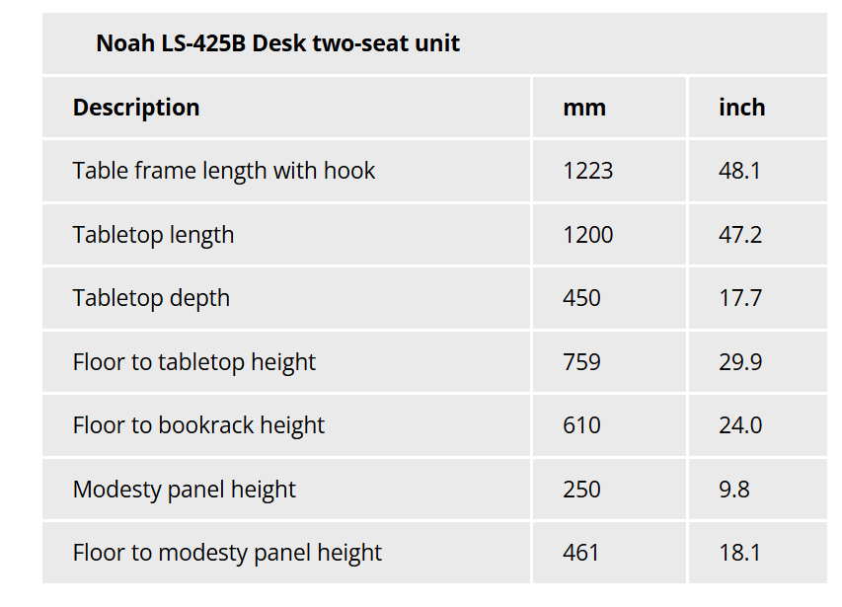 |  | 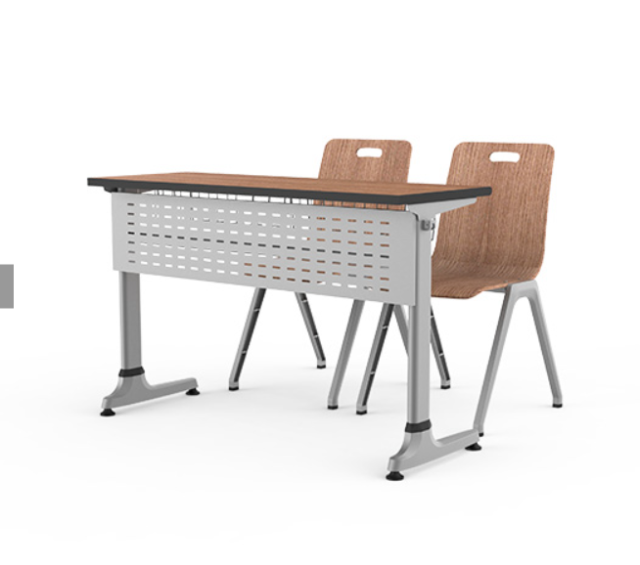
Chairs | LS-425-C | 1092 | 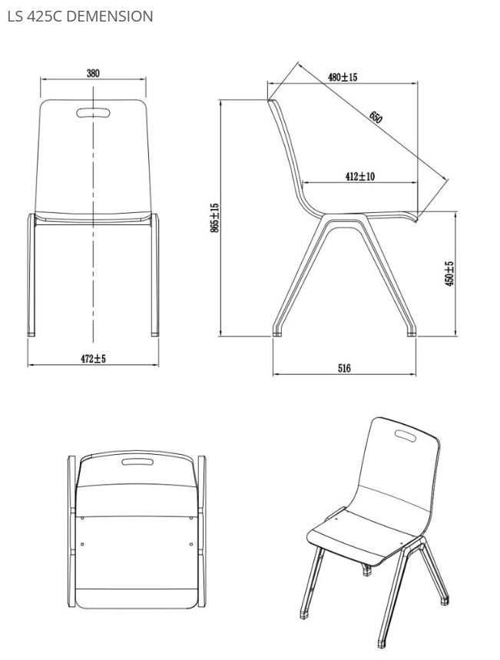 | 