Sheet1
Sl. | Picture | Type |  | Quantity | Unit price | total price | Remark
1 | 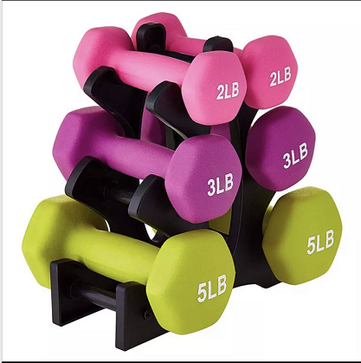 | 4 | LB | 150 |  |  | Color Each color weight means every 150 pieces one color and the color is for women
2 |  | 5 | LB | 150
3 |  | 7 | LB | 150
4 |  | 8 | LB | 150
5 |  | 10 | LB | 150
6 |  | 20 | LB | 30
7 |  | 25 | LB | 30
8 |  | 30 | LB | 30
9 |  | 35 | LB | 30
10 |  | 40 | LB | 30
11 | 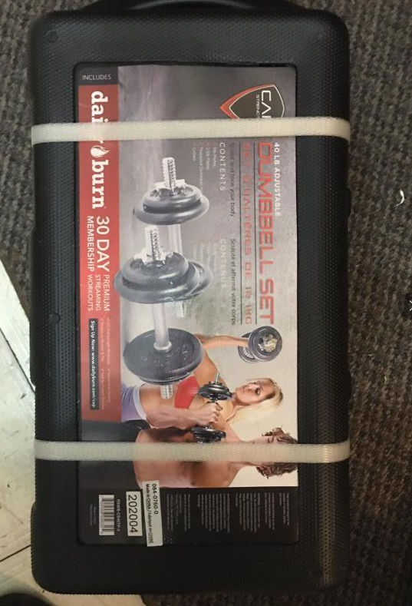 | 40 | LB | 80
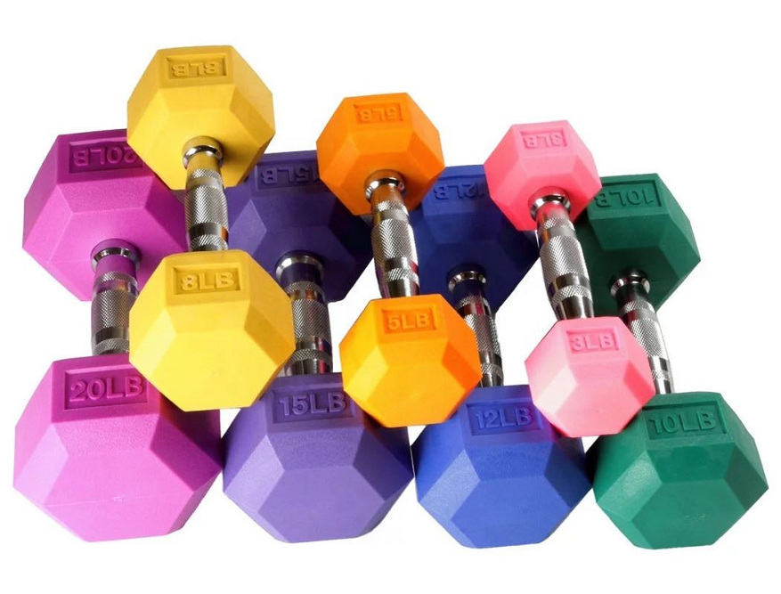
12 |  | 20 | LB | 30 |  |  | Every weight is a color
13 |  | 25 | LB | 30
14 |  | 30 | LB | 30
15 |  | 35 | LB | 30
16 |  | 40 | LB | 30
Total |  |  |  | 1130

