20170726
名称 | 应用车型 | 商标 | 代码 | 型号 | 特征 | 外廓尺寸 | 重量 | 体积 | 图片
空气过滤器 | TOYOTA Yaris | TSN | 9.1.499 | AC PC 2241 E AMC. TA1678 MANN C2513 KNECHT LX1002 HENGST E641L FILTRON AP1422 SAKURA A197 FRAM CA9295 NIPPARTS J1322077 ALCO MD9592 |  | A 250 В 120 H 50 | 2.10 | 0.0400 | 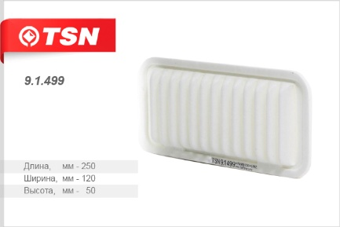
空气过滤器 | TOYOTA Rav 4 (A30) Yaris (P90) Corolla 12- Auris 1.33i 11.08- 1.6i 02.09- | TSN | 9.1.1428 | MAHLE LX2792 Fram CA10190 Jakoparts (Nipparts) J1322104 Japan Cars B22108PR MANN C24005 HENGST E895L GB-904 |  | А 239 В 175 H 54 | 2.70 | 0.0250 | 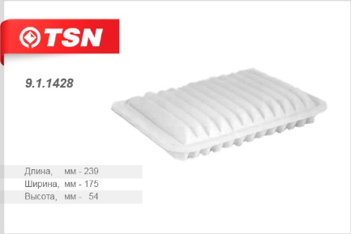
空气过滤器 | BYD F3, GEELY Vision Emgrand, LIFAN SOLANO TOYOTA Corolla 1.4 1.6 | TSN | 9.1.27 | BYD 17030100F3001 20007289 17.03.0100F3001 LIFAN B1109103 Geely 1064000180 Toyota 1780122020 178010D020 178010D011 178010D010 MANN C2620 HENGST E640L NIPPARTS J1322083 FILTRON AP1423 SAKURA A1003 FRAM CA9482 AMC FILTER TA1683 KNECHT LX1286 CHAMPION U813606 SCT SB3250 VAICO V700011 GB-9615 |  | A 288 B 149 H 53 | 3.00 | 0.0450 | 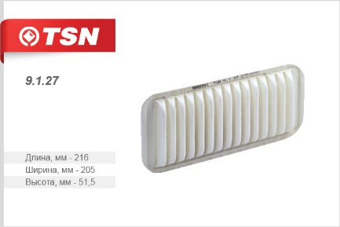
空气过滤器 | TOYOTA Camry Celica Dyna 200, LEXUS RX | TSN | 9.1.28 | Toyota 1780103010 1780174060 MANN C31126 MAHLE LX810 AMC FILTER TA1186 BOSCH 1987429151 CHAMPION U848606 FILTRON AP143 FRAM CA7351 CA5448 NIPPARTS J1322052 SCT SB003 GB-9665 | 塑料外壳 | A 310 B 185 H 43 | 3.10 | 0.0620 | 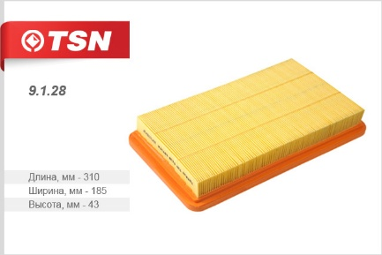
空气过滤器 | NISSAN Almera Maxima Murano Pathfinder Patrol Primera X-Trail, SUBARU Forester Impreza, INFINITI G35 QX4 M30 I30 J30 | TSN | 9.1.30 | Nissan 16546V0100 165463J400 165460Z000 1654670J10 16546V0110 16546W2900 AY120NS001 Subaru 16546AA020 16546AA050 16546AA070 16546AA070A 16546AA080 CITROEN 1444L1 Ford 5025071 5025082 YL4J9601AA GM 25062320 94455838 ISUZU 8941326780 8941516143 8944558380 Opel 0834250 0834289 MANN C2964 C2974 HENGST E880L E235L FLEETGUARD AF4615 BALDWIN PA2135 DONALDSON P500063 FRAM CA4309 CA5825 KNECHT LX588 LX307 SCT SB265 SAKURA A243 BOSCH 1457429894 1457433446 9457160044 FILTRON AP020 AP1541 LUBERFINER AF293 M FILTER MAP6733 UFI 3097300 VIC A927V WIX 46116 WA6183 NIPPARTS J1321008 NF-5055m GB-9658 125-1109080 | 塑料外壳 | A 281 B 168 H 35 | 1.57 | 0.0190 | 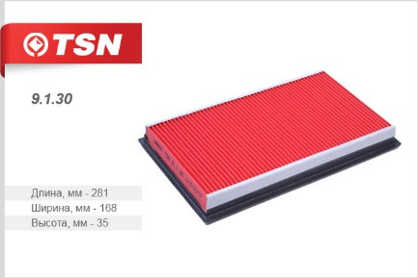
空气过滤器 | TOYOTA Camry Carina Celica Corolla RAV 4 LEXUS Pontiac Trans Sport | TSN | 9.1.168 | Toyota 1780102020 1780116030 1780164010 1780164020 1780164070 1780174020 MANN C311011 SAKURA A161 FILTRON AP146 FRAM CA6395 KNECHT LX809 SCT SB217 HENGST E795L NF-5327 GB-9529 | 塑料外壳 | A 310 B 156 H 44,5 | 2.60 | 0.0370 | 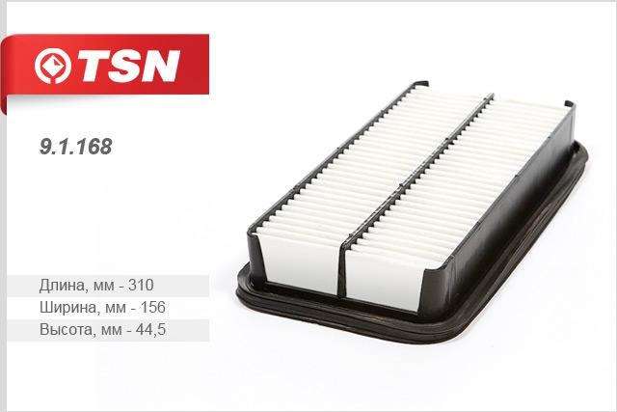
空气过滤器 | TOYOTA Corolla VII / VIII | TSN | 9.1.438 | Toyota 1780111090 1780111090-83 MANN C2326 AMC TA1184 ASHIKA 2002250 BOSCH 1457433784 FRAM CA5527 JAPANPARTS FA250S KNECHT LX805 09862970 NIPPARTS J1322050 GB-9664 |  | А 226 В 168 Н 43 | 2.50 | 0.0310 | 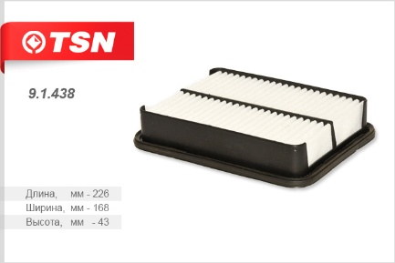
空气过滤器 | TOYOTA Corolla VII Corolla VIII MAZDA XEDOS 9 | TSN | 9.1.481 | Toyota 1780102030 1780115070 MANN C27311 FILTRON AP160 FRAM CA5466 HENGST E656L KNECHT LX811 SCT SB933 NIPPARTS J1322049 | 塑料外壳 | А 268 B 170 H 43 | 2.60 | 0.0400 | 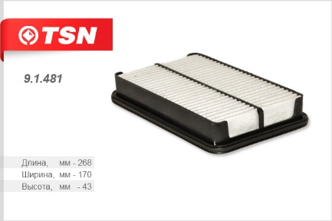
空气过滤器 | TOYOTA HILUX PREVIA 4-RUNNER VOLKSWAGEN TARO | TSN | 9.1.482 | GM 94376335 94376353 ISUZU 8943763530 8943763550 Mazda J E4813Z40 Toyota 1780108010 1780135020 178013502083 1780155020 VAG J1780135020 MANN C2535 Knecht LX812 Bosch 1457433952 Fram CA3997 Japan Cars B29004JC Nipparts J1322051 SCT SB200 Sakura A171 Ashika 2002299 WIX WA6331 Luberfiner (Champ) AP179 GB-9666 | 塑料外壳 | A 249 В 169 Н 51 | 2.70 | 0.0400 | 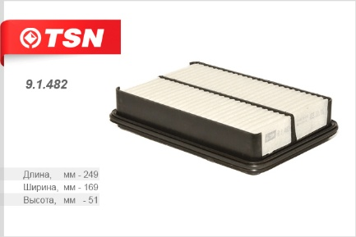
空气过滤器 | LEXUS IS 200 TOYOTA RAV 4 | TSN | 9.1.495 | Toyota 1780170050 AMC. TA1675 MANN C3318 KNECHT LX1936 70351694 FRAM CA9826 1780170050 AMC TA1675 ASHIKA 2002276 FRAM CA9826 JP FA276S NIPPARTS J1322070 GB-9627 |  | A 335 В 174 Н 53 | 3.90 | 0.0720 | 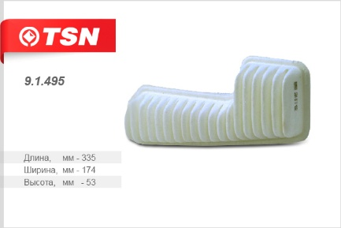
空气过滤器 | LEXUS ES300 ES330 RX330 RX350 TOYOTA Camry CamryHybrid Solara Highlander HighlanderHybrid Sienna | TSN | 9.1.496 | Toyota 178010H010 178010H020 1780120040 DP1TLX1612 MAHLE LX1612 MANN MA1027 ACDELCO A2933C SCT SB977 Bosch 1987429187 BALDWIN PA4150 Nipparts J1322086 CHAMP AF1133 AF9010 PUROLATOR A35432 WIX 46673 GB-9561 |  | A 316 B 193 H 42 | 3.50 | 0.0620 | 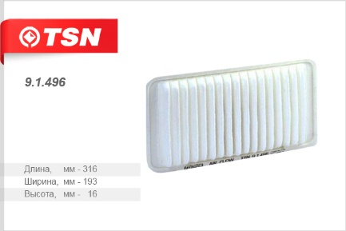
空气过滤器 | BYD F0 TOYOTA AYGO 05 - URBAN Cruiser 09 - YARIS I 99 - II 05 - CITROËN C1 05- PEUGEOT 107 05- SUBARU JUSTY 07 | TSN | 9.1.500 | BYD 10156231-00 1015623100 10005562 CITROEN 1444PW DAIHATSU 1780123030000 PEUGEOT 1444PV 1444RG Toyota 178010J020 1780123030 MANN C2610 KNECHT LX1001 FRAM CA8972 HENGST E638L ALCO MD9682 FILTRON AP1421 VIC A196 UFI 3017500 ACDelco PC2288E BOSCH 1457433971 JAKOPARTS J1322074 DELPHI AF20055 SOFIMA S9402A AMC Filter TA1676 JAPANPARTS JFA288 FA288 JFA288S FA288S NIPPARTS J1322074 |  | A 257 B 115 H 44,5 | 1.70 | 0.0310 | 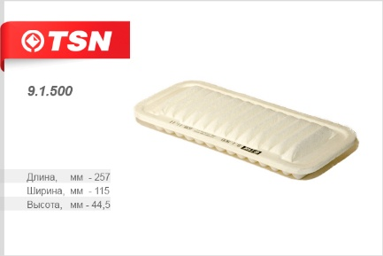
空气过滤器 | NISSAN PATROL GR II Y61 | TSN | 9.7.733 | MANN CU28082 NIPPARTS J1341013 CORTECO 80001024 JAKOPARTS J1341013 AMC FILTER NC2006 | 防尘2个 | A 275 B 108 H 23,8 | 2.10 | 0.0090 | 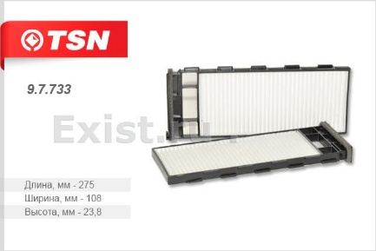
空气过滤器 | TOYOTA CAMRY CELICA LAND CRUISER PREVIA PRIUS YARIS LEXUS RX330/350 RX400H SUBARU LEGACY III OUTBACK II TRIBECA B9 (только бенз. дв.) | TSN | 9.7.17 | SUBARU 72880AG000 72880XA00A Toyota 8713906030 8713906040 8713928010 8713932010 8713947010 8713949010 87139YZZ05 8850820120 8856802020 8888020090 8888041010 MANN CU2131 KNECHT LA131 FRAM CF9846 HENGST E2915LI ASHIKA 21SBSB2 BOSCH 1987431085 CHAMPION N186 N186609 CORTECO 21652539 DELPHI TSP0325175 TSP0325128 FIAMM PC8144 JAKOPARTS J1342018 SCT SA1153 WIX WP9026 NF-6148 | 防尘 | A 218 B 218 H 17,5 | 1.30 | 0.0150 | 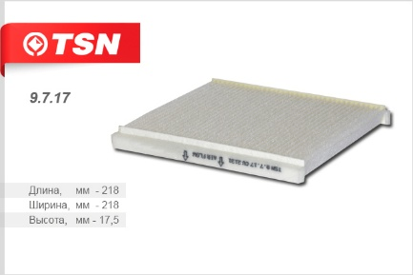
空气过滤器 | NISSAN Almera Primera Tino | TSN | 9.7.20 | Nissan 27891BM400 27891BM401 27891BM410 272750N025 MANN CU2345 Febi 19442 FRAM CF9363 WIX WP9104 HENGST E975LI KNECHT LA119 NIPPARTS J1341002 MASUMA MC324 NF-6146 GB-9872 | 防尘 | A 222 B 200 H 30 | 2.00 | 0.0180 | 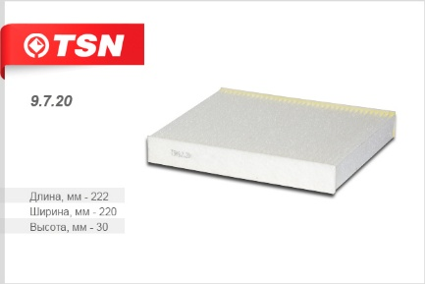
空气过滤器 | HYUNDAI Solaris (для авто с сеткой) до 01.12 KIA Rio LIFAN SOLANO Breez X60 TOYOTA Prius RAV 4 Yaris SUBARU Legacy III Outback (только дизельный дв.) | TSN | 9.7.117 | HYUNDAI/KIA 971330C000 Subaru G3010AG100 Toyota 0897400820 Lifan B8121170 Mann CUK1828 Shibato S042013 NF-6147c DIPCUK1828 | Угольный | A 218 B 218 H 17,5 | 1.60 | 0.0170 | 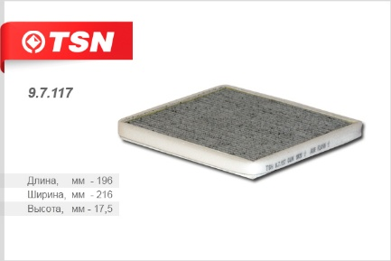
空气过滤器 | TOYOTA Highlander LEXUS IS RX 300 | TSN | 9.7.163 | Toyota 8713930010 8713948020 871394802083 87139YZZ04 Mahle LA199 Shibato S042101 Sakura AC104 Ashika 21TYTY5 Japan Parts FAATY5 Masuma MC226E Nipparts J1342004 Valeo 715543 Japan Cars B42004PR Alco MS6235 Corteco 80000162 | 防尘 | A 235 B 207 H 19 | 1.60 | 0.0170 | 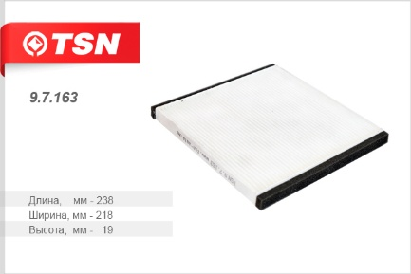
空气过滤器 | NISSAN X-Trail (T30) Almera (N16E) Murano (Z50) INFINITI FX35 FX45 | TSN | 9.7.164 | Nissan B72005M000 B727A79925 2K00330361 272774M400 272774M425 999M1VP051 AY684NS001 MANN CU2252 KNECHT LA371 Nipparts J1341014 Delphi TSP0325228 WIX WP9294 Filtron K1217 Corteco 21652346 NF-6182 DIP1CU2252 | 防尘 | A 216,5 B 199 H 30 | 1.70 | 0.0260 | 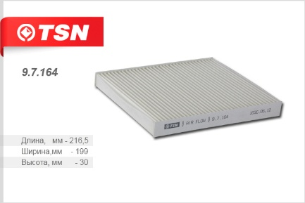
空气过滤器 | HONDA Jazz (GD) SUZUKI Swift (SG) SX4 FIAT Sedici | TSN | 9.7.73 | Honda 08R79SAA600B 80291SAAE01 80291SAA505HE 80291SAA506HE 80291SELY01 MANN CU1835 Corteco 21652989 Knecht LA155 Filtron K1164 Bosch 1987432115 Valeo 698886 Japan Cars B44008JC WIX WP9216 Nipparts J1344007 NF-6152 | 防尘 | А 179 В 185 Н 29 | 1.20 | 0.0260 | 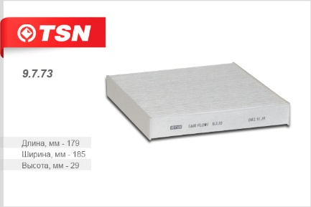
空气过滤器 | TOYOTA Yaris (E150) Yaris (P90) Corolla (E110) RAV 4 (A30) vensis (T270) Land Cruiser (J200) Urban Cruiser Verso (R20) LEXUS GS 300/430/460 (S190) IS 250-220D (E20) IS 250C LS 460/460L (F40) RX (GYL_) RX 300/330/350 (U3_) SUBARU LEGACY V OUTBACK | TSN | 9.7.97 | Subaru 72880AJ000 Toyota 87139YZZ08 871390D010 8713902020 8713906080 8713907010 8713930040 8713930070 8713952020 MANN CU1919 WIX WP9290 Nipparts J1342026 J1342024 Corteco 80000604 Hengst E2945LI Mahle Filter LA395 Fram CF10285 Valeo 715550 Delphi TSP0325232 Febi 30242 27465 Filtron K1210 NF-6200 | 防尘 | А 215 В 193 Н 30 | 1.40 | 0.0260 | 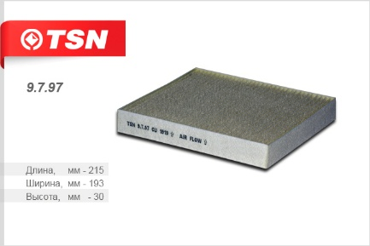
空气过滤器 | HONDA HR-V | TSN | 9.7.327 | Honda 08R79S50600 80290S50003 8 0291S2H505 80291S2HE01 80295S50003 MANN CU1823 Alco MS6266 Japan Parts FAAH02 Febi 24426 Ashika 04020004 Delphi TSP0325165 Denso DCF111P Clean filters NC2208 Corteco 21652990 Febi 24426 Knecht LA168S Meyle 31123190002 NIPPARTS J1344000 Valeo 715594 NF-6150-2 | 防尘2个 | А 180 В 95 Н 30 | 1.70 | 0.0250 | 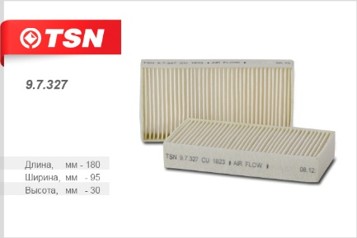
空气过滤器 | NISSAN Qashqai X-Trail II SUZUKI LANDY | TSN | 9.7.371 | Nissan 27277EN000 27277EN025 AY680NS022 Suzuki 9586050Z00 MANN CU1936 Knecht LA396 Valeo 715559 Nipparts J1341020 Corteco 80000874 SAKURA AC207 Vic AC207E | 防尘TSN 9.7.583 | А 265 В 191 Н20 | 1.30 | 0.0270 | 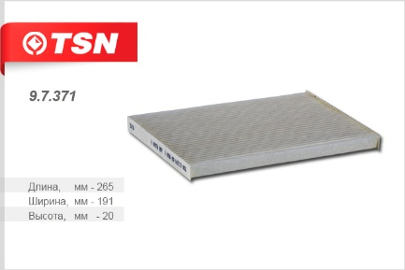
空气过滤器 | HONDA Civic VII CR-V II FR-V Stream | TSN | 9.7.245 | Honda 80292SCAE11 80292S5DA0 08R79S5A600 80292S50A01 80292S5A003 80292S5DA01 80292S6DG01 80292S6M901 80292S7A003 80292SCAE11 80292SCAG01 08R79S5AA00 08R79S5AC00 08R79S5AD00 08R79S7AA00 08R79S7AB00 08R79S7AD00 08R79S5AB00 08R79S5AВ00 08R79S7AС00 80292SCEE11 08R79S7AC00 DIPCU23272 MANN CU2327 CU23272 KNECHT LA122 06418065 HENGST E1906LI E1906LI2 FRAM CF98192 FILTRON K11982x BOSCH 1987432074 Nipparts J1344006 J1344012 Knecht LA122 Corteco 21652546 DELPHI TSP0325141 MAPCO 65504 NF-6186-2 GB-9896 DIPCU23272 | 防尘2个 | H 30,0 A 225,0 B 111,0 |  |  | 