Sheet1
ANNEX 2
Mine Action Deminers TOOLS (LOT 2)
No | Item | البند | Quantity | Unit Price | Total Price | PIC
1 | Water canteen (1 liter) Portable for outdoor. Water Bottle Height: 20cm/7.87", Capacity: 1L (Approx.) | زمزمية استيل طويل 1 لتر | 600
2 | Magnetic Waterproof Hand Held Professional Compass. Magnetic Waterproof Hand Held Professional Compass Made of Aluminum Alloy, can be capable of working under extreme weather condition. Ueasy compass is waterproof and shakeproof, so Suitable for all the outdoor activities, motoring, boating, camping, mountaineering, exploring, hunting, etc. Compass rotates very flexibly and the damping oil enhance pointer stability. Built-in a bubble level, which can improve its accuracy and decrease its errors. Compass Sighting telescope for accurate positioning. | بوصلة تحديد المواقع مع عدسة داخلية | 50
3 | Water hose 5 inch width , 30 m length- Plastic | خرطوم ماء طولة 30 متر وعرضة 5 هنش بلاستيك | 50
4 | Plastic sheet 10*10 (Tarpaulin) Heavy water proof | طربال من المطر وجهين بلاستيك 10*10حجمه بلاستيك ثقيل ضد الماء | 100
5 | Big shears for trees 18’’ | مقصات كبيرة للأشجار18 هنش | 70
6 | Steel Shovel • Body made of durable steel. Wooden shovel handle • Shovel size approx. 8.2"x5.9" (21x15 cm). Overall length: 27.5" (70cm) • Weight: 1.020g | مجرفة ( كريك شخصي صيني) | 80
7 | Mattock with pick 1500gm | معول 1500 جم | 80
8 | Axes for chopping trees weight: 1000gm ( small) | فأس 1000جم مع المعول لتقطيع الأشجار | 80
9 | Garden Hedge Shears 8’’ Strong oval aluminum handles with cushion grips. Shock absorbing bumpers. | مقص تقطيع الحشائش 8 هنش | 80
10 | Hammer, 3kg | مطرقة ، 3 كجم | 20
11 | wood chainsaw worked by Petrol 5800 family, 22 Chain Saw no 1, | منشار قطع خشب يعمل بالبنزين5800 فاملي 22 سيف ابو ثلاثة شكمانات رقم 1 | 10
12 | Manual wood saw 20’’ | منشار خشب يدوي 20 هنش | 100
13 | Working gloves (leather) Note: Ensure to be excellent leather | قفازات جلد نوعية ممتاز ملاحظة: تأكد من ان النوعية جلد ممتاز | 600
14 | 20-liter metal gallon for fuel | جالون معدني سعة 20 لترًا للوقود | 40
15 | White paint 5 Litter, Oil | طلاءابيض حجم متوسط جالون 5 لتر زيني | 280
16 | Red Paint 5 L, oil | طلاءاحمر حجم متوسط جالون 5 لتر زيني | 280
17 | Paint brush 5 cm, 50 Pcs 3’’ 50Pcs 2’’ | فرشة طلاء 50 Pcs 3’’ 50Pcs 2’’ | 100
18 | Retract. steel tape measure (منوع) 15 Pc – 10m | قياس (امتار) 10m | 10 |  |  | 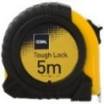
19 | Retract. steel tape measure 30m | قياس (امتار) 30 m | 10
20 | Retract. steel tape measure 50m | قياس (امتار) 50 m | 10
21 | Retract. steel tape measure 5m | قياس (امتار) 5 m | 5 |  |  | 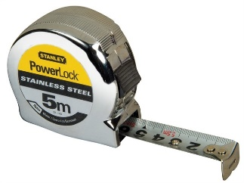
22 | Safety Reading Glasses SUNGLASS GREY Lenses | نظارات شمسية | 500
23 | Combination Pliers Application:Multi Functional Function 1:Knife Function 2:Plier Function 3:Bottle,Can Opener Function 5:Mental File Function 7:Pry Bar Function 8:Saw Function 9:Minus Screw Name:Multi Functional Tool | سكين هندسي 9 اجزاء | 50 |  |  | 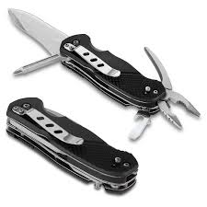
24 | Paint Thinner for oil paint | دبة تينار 3 لتر | 150 |  |  | 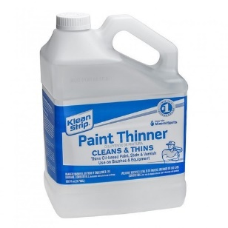
Total Price

 | [Enter name of authorized staff]
 | [Designation] |  | [Click here to enter a date]

